Sheet1
 |  | Document No. | Issue No. | Issue Date |  | Review and Replace Date |  | Authorised By
 |  | GFF068MC | 1 | 22.01.2018 |  | New Issue
 |  | Document Title | CHICKEN SAMOSA 100G
 |  | Cross Ref: BRC 7 | Page 1 of 1 |  | Clause |  | 6.1 | E. Yadamsuren
Document amendments reason for change |  | New product launch |  |  | Previous Issue Date |  | New Issue | Uncontrolled copy unless signed original

CCSAL1-G1TDG | FSC |  | CHICKEN SAMOSA 100G | CHILLED

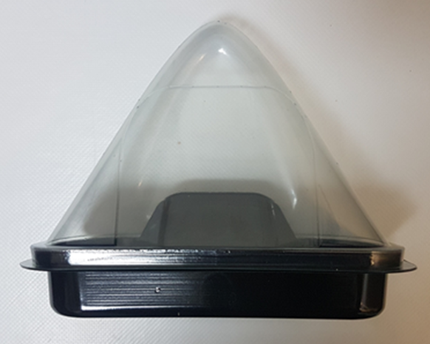 |  |  |  |  | 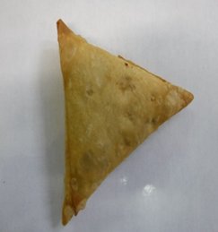

SAMOSA LID TRAY-(K-3073) (PKKIN001-03) |  |  |  |  | CHICKEN SAMOSA (GFF240R)
BASE FOR SAMOSA (K-3074) (PKKIN001-04) |  |  |  |  | Weight : 100g
ALLERGY ALERT:WHEAT CATEGORY B

